Quote Form
 | Quote Form |  |  |  | Quote | K0929261852 |  | / |  |  |  |  |  |  |  |  |  |  |  |  |  |  |  | 25 | 32
 |  |  |  |  | Date | 2026-09-29 18:52:48 |  |  |  |  |  |  |  |  |  |  |  |  |  |  |  |  |  | 40 |  |  |  |  |  |  |  |  |  |  |  |  |  |  |  |  |  |  |  |  |  |  |  |  |  |  |  |  | h |  | mp1 mp3 | mp2 | mt1 | mpu3 | mt2 | ms2 | ms4
 |  |  |  |  | Terms | Net 30 |  |  |  |  |  |  |  |  |  |  |  |  |  |  |  |  |  | 50 | 63 |  |  |  |  |  |  |  |  |  |  |  |  |  |  |  |  |  |  |  |  |  |  |  |  |  |  |  | Bore | Rod | XC | XD | XG | XH | XJ | XS | XT | 0 | 0 | 0 | 0 | 0 | 0 | 0
 | Customer | K C I Inc - Kansas City |  |  |  |  | MF1 |  |  |  |  |  |  |  |  |  |  |  |  | Terms | 1/3 1/3 1/3 |  |  | 80 | 100 |  |  |  |  |  |  |  |  |  |  |  |  |  |  |  |  |  |  |  |  |  |  |  |  |  |  |  | 1.5 | 0.625 | 6.375 | 6.75 | 1.875 | 6.435 | 4.875 | 1.375 | 1.937
 | Address: | Kansas City,MO |  |  | Days: | 30 |  |  |  |  |  |  |  |  |  |  |  |  |  | Progressive Payment |  |  |  | 125 | 160 |  |  |  |  |  |  |  |  |  |  |  |  |  |  |  |  |  |  |  |  |  |  |  |  |  |  |  | 1.5 | 1 | 6.75 | 7.13 | 2.25 | 6.81 | 5.25 | 1.75 | 2.312
 | Phone/Email: | 0 |  |  | Ref: | Atlas |  |  |  |  |  |  |  |  |  |  |  |  |  |  |  |  |  | 200 |  |  |  |  |  |  |  |  |  |  |  |  |  |  |  |  |  |  |  |  |  |  |  |  |  |  |  |  | 2 | 1 | 7.25 | 7.88 | 2.25 | 7.19 | 5.25 | 1.875 | 2.312
 | Attn: |  |  |  | FOB | Hartselle, AL |  |  |  |  |  |  |  |  |  |  |  |  |  |  |  |  | 0.00 |  |  |  |  |  |  |  |  |  |  |  |  |  |  |  |  |  |  |  |  |  |  |  |  |  |  |  |  |  | 2 | 1.375 | 7.5 | 8.13 | 2.5 | 7.44 | 5.5 | 2.125 | 2.562
 |  |  |  |  |  |  |  |  |  |  |  |  |  |  |  |  |  |  |  |  |  |  |  | TF = 8.19" | R = 4.95" | FB = 0.94" | F = 0.88" |  |  |  |  |  |  |  |  |  |  |  |  |  |  |  |  |  |  |  |  |  |  |  |  |  | 2.5 | 1 | 7.375 | 8.005 | 2.25 | 7.315 | 5.375 | 2.062 | 2.312
 |  |  |  |  |  |  |  |  |  |  |  |  |  |  |  |  |  |  |  |  |  |  |  |  |  |  |  |  |  |  |  |  |  |  |  |  |  |  | F = 0.88" |  |  | R = 4.95" |  |  |  |  |  |  |  |  | FB = 0.94" | TF = 8.19" | 2.5 | 1.375 | 7.625 | 8.255 | 2.5 | 7.565 | 5.625 | 2.312 | 2.562
Description |  | Qty | List | Discount | Net Each |  | Profit | Labor Cost | Inv |  |  | Rod | A | WF | Description |  | Qty | List | Discount | Special Approval |  | #12 SAE | 12 | H |  | F |  |  |  |  |  |  |  |  |  |  |  |  | 0.88 |  |  | 4.95 |  |  |  |  |  |  |  |  | 0.94 | 8.19 | 2.5 | 1.75 | 7.875 | 8.505 | 2.75 | 7.815 | 5.875 | 2.562 | 2.813
Series | High Pressure Hydraulic Cylinder | 1 | $2,218 | 0.0% | $2,218 - 30 Days |  | $998 | $599 | $622 |  |  | 0.625 | 0.75 | 1 | Series | Parts Order | 1 | $0 | 0.0% | $0 - Days |  |  |  | Bore | S | N | E | G | J | LB | CD | CB | L | UM | TM | UT | TD | TL | F | DD | BB | R | CK | SL | SB | TS | SS | NT | TN | SN | FB | TF | 3.25 | 1.375 | 8.625 | 9.375 | 2.625 | 8.685 | 6.25 | 2.312 | 2.562
Model Code | H-MF1-5x12x2-1-NC-S-P-S |  |  | Expedited - Emergency | $2,995(15 Days) $4,326(NOW) |  | 44% |  |  |  |  | 1 | 1.125 | 1.375 | Model Code | 0.00 |  |  | Expedited - Emergency | $0(0 Days) $0(NOW) |  |  |  | 1.5 | 10 | 0.5 | 2.5 | 1.75 | 1.5 | 4.625 | 0.502 | 0.75 | 0.75 | 5 | 3 | 4.5 | 1 | 1 | 0.38 | 3/8-24 | 1.38 | 1.63 | 0.438 | 0.81 | 0.437 | 3.25 | 3.875 | 3/8-16 | 0.75 | 2.875 | 0.44 | 3.44 | 3.25 | 1.75 | 8.875 | 9.625 | 2.875 | 8.935 | 6.5 | 2.562 | 2.813
Bore Size (") | 5.00 |  |  | JIT Foster Care Program* | $2,329 - 30 Days |  |  |  |  |  |  | 1.375 | 1.625 | 1.625 | Bore Size (") |  |  |  | JIT Foster Care Program* | $0 - Days |  |  |  | 2 | 10 | 0.5 | 3 | 1.75 | 1.5 | 4.625 | 0.752 | 1.25 | 1.25 | 6.25 | 3.5 | 5.75 | 1.375 | 1.375 | 0.63 | 1/2-20 | 1.81 | 2.05 | 0.656 | 1.19 | 0.562 | 4 | 3.625 | 1/2-13 | 0.937 | 2.875 | 0.56 | 4.13 | 3.25 | 2 | 9 | 9.75 | 3 | 9.06 | 6.625 | 2.688 | 2.937
Mount | Rect Head Flange (MF1) | Recommended Cylinder Repair Components |  |  |  |  |  |  |  |  |  | 1.75 | 2 | 1.875 | Mount |  | Recommended Cylinder Repair Components |  |  |  |  |  |  | 2.5 | 10 | 0.5 | 3.5 | 1.75 | 1.5 | 4.75 | 0.75 | 1.25 | 1.25 | 6.75 | 4 | 6.25 | 1.375 | 1.375 | 0.63 | 1/2-20 | 1.81 | 2.55 | 0.656 | 1.19 | 0.813 | 4.875 | 3.375 | 5/8-11 | 1.312 | 3 | 0.56 | 4.63 | 4 | 1.75 | 9.75 | 10.63 | 2.875 | 9.75 | 6.75 | 2.75 | 2.937
Rod Size (") | 2.00 | Piston & Rod Assembly |  |  | $779 |  |  |  |  |  |  | 2 | 2.25 | 2 | Rod Size (") |  | Piston & Rod Assembly |  |  | $0 |  |  |  | 3.25 | 12 | 0.75 | 4.5 | 2 | 1.75 | 5.5 | 1.002 | 1.5 | 1.5 | 8.5 | 5 | 8 | 1.75 | 1.75 | 0.75 | 5/8-18 | 2.31 | 3.25 | 0.880 | 1.56 | 0.813 | 5.875 | 4.125 | 3/4-10 | 1.5 | 3.5 | 0.69 | 5.88 | 4 | 2 | 9.875 | 10.755 | 3 | 9.875 | 6.875 | 2.875 | 3.062
Cushions | Non Cushion | Hyd Rod Poly Seal Kit KHR20 |  |  | $80 |  | qty | mount | bore | stroke | rod | 2.5 | 3 | 2.25 | Cushions |  |  |  |  |  |  |  |  | 4 | 12 | 0.75 | 5 | 2 | 1.75 | 5.75 | 1.377 | 2 | 2.125 | 9 | 5.5 | 8.5 | 1.75 | 1.75 | 0.88 | 5/8-18 | 2.31 | 3.82 | 1.188 | 2.125 | 1.062 | 6.75 | 4 | 1-8 | 2.062 | 3.75 | 0.69 | 6.38 | 4 | 2.5 | 10.125 | 11.005 | 3.25 | 10.125 | 7.125 | 3.125 | 3.312
Ports | #12 SAE | Hyd Piston Poly Seal Kit KHP50 |  |  | $233 |  | 2 | mp5 | 25 | 20 | 18 | 3 | 3.5 | 2.25 | Ports |  |  |  |  |  |  |  | 12 | 5 | 12 | 0.75 | 6.5 | 2 | 1.75 | 6.25 | 1.752 | 2.5 | 2.25 | 10.5 | 7 | 10 | 1.75 | 1.75 | 0.88 | 7/8-14 | 3.19 | 4.95 | 1.531 | 2.25 | 1.062 | 8.25 | 4.5 | 1-8 | 2.937 | 4.25 | 0.94 | 8.19 | 5 | 2 | 10.5 | 11.38 | 3 | 10.5 | 7.375 | 2.875 | 3
Stroke (") | 12.00 | Hyd Gland Poly Seal Kit KHG20 |  |  | $409 |  | 2 | mp5 | 40 | 50 | 22 | 3.5 | 3.5 | 2.25 | Stroke (") |  | 0 |  |  | $0 |  |  |  | 6 | 16 | 1 | 7.5 | 2.25 | 2.25 | 7.375 | 2.002 | 2.5 | 2.5 | 12.5 | 8.5 | 11.5 | 2 | 2 | 1.00 | 1-14 | 3.63 | 5.73 | 1.750 | 2.5 | 1.312 | 9.75 | 5.125 | 1 1/4-7 | 3.312 | 5.125 | 1.06 | 9.44 | 5 | 2.5 | 10.75 | 11.63 | 3.25 | 10.75 | 7.625 | 3.125 | 3.25
Rod Thread | Male 1 1/2-12 | Cylinder Weight |  |  | 122.8 |  | 1 | mf5 | 40 | 250 | 28 | 4 | 4 | 2.25 | Rod Thread |  |  |  |  |  |  |  |  | 7 | 20 | 1.25 | 8.5 | 2.75 | 2.75 | 8.5 | 2.502 | 3 | 3 | 14.75 | 9.75 | 13.5 | 2.5 | 2.5 | 1.00 | 1 1/8-12 | 4.13 | 6.58 |  |  | 1.562 | 11.25 | 5.75 | 1 1/2-6 | 3.75 | 5.875 | 1.19 | 10.63 | 5 | 3 | 10.75 | 11.63 | 3.25 | 10.75 | 7.625 | 3.125 | 3.25
Seals | Polyurethane | Push @ 3000 PSI |  |  | 58905 lbs |  | 1 | mt1 | 40 | 160 | 22 | 4.5 | 4.5 | 2.25 | Seals |  |  |  |  |  |  |  |  | 8 | 24 | 1.25 | 9.5 | 3 | 3 | 9.5 | 3 | 3 | 3.25 | 17 | 11 | 15.5 | 3 | 3 | 1.00 | 1 1/4-12 | 4.50 | 7.50 |  |  | 1.562 | 12.25 | 6.75 | 1 1/2-6 | 4.25 | 6.625 | 1.31 | 11.8125 | 5 | 3.5 | 10.75 | 11.63 | 3.25 | 10.75 | 7.625 | 3.125 | 3.25
Includes: |  | Pull @ 3000 PSI |  |  | 49481 lbs |  | 2 | mf5 | 50 | 20 | 28 | 5 | 5 | 2.25 | Includes: |  |  |  |  |  |  |  |  | 10 | 24 | 2 | 12.625 | 3.688 | 3.688 | 12.125 | 3.5 | 4 | 4 | 21 | 14 | 19.625 | 3.5 | 3.5 |  |  |  | 9.89 |  |  | 1.562 | 15.875 | 8.875 |  |  |  | 1.3125 | 14.13 | 6 | 2.5 | 12.125 | 13.125 | 3.375 | 12.125 | 8.375 | 3.375 | 3.312
 |  |  |  |  |  |  | 1 | mp5 | 50 | 210 | 28 | 5.5 | 5.5 | 2.25 |  |  |  |  |  |  |  |  |  | 12 | 24 | 2.5 | 14.875 | 4.438 | 4.438 | 14.5 | 4 | 4.5 | 4.5 | 24.5 | 16.5 | 22.875 | 4 | 4 |  |  |  | 11.75 |  |  | 1.562 | 18.875 | 10.5 |  |  |  | 1.5625 | 16.79 | 6 | 3 | 12.125 | 13.125 | 3.375 | 12.125 | 8.375 | 3.375 | 3.312
 |  |  |  |  |  |  | 3 | mf5 | 63 | 180 | 45 | 7 | 7 | 3.5 |  |  |  |  |  |  |  |  |  | 14 | 24 | 2.5 | 17.125 | 4.875 | 4.875 | 15.625 | 5 | 6 | 5.75 | 28.5 | 19.5 | 26.125 | 4.5 | 4.5 |  |  |  | 12.9 |  |  | 2.313 | 21.625 | 11.125 |  |  |  | 1.8 | 18.43 | 6 | 3.5 | 12.125 | 13.125 | 3.375 | 12.125 | 8.375 | 3.375 | 3.312
 |  |  |  |  |  |  | 4 | mt4 | 63 | 830 | 45 | 8 | 8 | 4.25 |  |  |  |  |  |  |  |  |  | 16 | 24 | 3 | 19.25 | 5.875 | 5.875 | 18.125 | 6 | 7 | 7 |  |  |  |  |  |  |  |  | 15.28 |  |  | 2.563 | 24.25 | 12.625 |  |  |  | 1.8125 | 21.03 | 6 | 4 | 12.125 | 13.125 | 3.375 | 12.125 | 8.375 | 3.375 | 3.312
 |  |  |  |  |  |  | 1 | mp5 | 63 | 380 | 36 | 10 | 10 | 4.5 |  |  |  |  |  |  |  |  |  | 18 | 24 | 3 | 22 | 6.875 | 6.875 | 21.125 | 6.5 | 8 | 7.625 |  |  |  |  |  |  |  |  | 16.45 |  |  | 2.813 | 27.5 | 14.625 |  |  |  | 2.0625 | 22.65 | 7 | 3 | 13.75 | 14.75 | 3.625 |  | 9.375 | 3.625 | 3.813
 |  |  |  |  |  |  | 1 | mt4 | 63 | 230 | 45 |  |  |  |  |  |  |  |  |  |  |  |  | 20 | 24 | 3 | 23.625 | 7.875 | 7.875 | 23.625 | 7.5 | 9 | 8.75 |  |  |  |  |  |  |  |  | 18.07 |  |  | 3.063 | 30.125 | 15.875 |  |  |  | 2.0625 | 24.87 | 7 | 3.5 | 13.75 | 14.75 | 3.625 |  | 9.375 | 3.625 | 3.813
 |  |  |  |  |  |  | 2 | mp5 | 80 | 485 | 56 |  |  |  |  |  |  |  |  |  |  |  |  | A |  |  |  |  |  |  |  |  |  |  |  |  |  |  |  |  |  |  |  |  |  |  |  |  |  |  |  |  | 7 | 4 | 13.75 | 14.75 | 3.625 |  | 9.375 | 3.625 | 3.813
 |  |  |  |  |  |  | 3 | mf5 | 80 | 15 | 56 |  |  |  |  |  |  |  |  |  |  |  |  | Bore | NPT | SAE | E | G | J | LB | CD | CB | L | UM | TM | UT | TD | TL | f | DD | BB | R | CK | SL | SB | TS | SS* | NT | TN | SN* | FB | TF | 7 | 4.5 | 13.75 | 14.75 | 3.625 |  | 9.375 | 3.625 | 3.813
 |  | E = 6.5" |  | Cylinder Dimensions |  |  | 2 | mt4 | 80 | 180 | 56 |  |  |  |  |  |  |  | Cylinder Dimensions |  |  |  |  | 1.5 | 0.375 | 6 | 2 | 1.5 | 1 | 3.625 | 0.5 | 0.75 | 0.75 | 4.5 | 2.5 | 4 | 1 | 1 | 0.375 | 1/4-28 | 1 | 1.43 | 0.44 | 0.81 | 0.437 | 2.75 | 2.875 | 1/4-20 | 0.625 | 2.25 | 0.562 | 2.75 | 7 | 5 | 13.75 | 14.75 | 3.625 |  | 9.375 | 3.625 | 3.813
 |  | G = 2" |  |  |  |  | 1 | mp5 | 80 | $100.00 | 56 |  |  |  |  |  |  |  |  |  |  |  |  | 2 | 0.375 | 6 | 2.5 | 1.5 | 1 | 3.625 | 0.5 | 0.75 | 0.75 | 5 | 3 | 4.5 | 1 | 1 | 0.375 | 5/16-24 | 1.125 | 1.84 | 0.44 | 0.81 | 0.437 | 3.25 | 2.875 | 5/16-18 | 0.875 | 2.25 | 0.375 | 3.375 | 8 | 3.5 | 15 | 16 | 3.75 |  | 10.25 | 3.625 | 3.937
Comments: |  | J = 1.75" |  |  |  |  | 4 | mf5 | 100 | $30.00 | 56 |  |  |  | Comments: |  |  |  |  |  |  |  |  | 2.5 | 0.375 | 6 | 3 | 1.5 | 1 | 3.75 | 0.5 | 0.75 | 0.75 | 5.5 | 3.5 | 5 | 1 | 1 | 0.375 | 5/16-24 | 1.125 | 2.19 | 0.44 | 0.81 | 0.437 | 3.75 | 3 | 3/8-16 | 1.25 | 2.375 | 0.375 | 3.875 | 8 | 4 | 15 | 16 | 3.75 |  | 10.25 | 3.625 | 3.937
 |  | LB = 18.25" |  |  |  |  | 1 | mt4 | 100 | $500.00 | 56 |  |  |  |  |  |  |  |  |  |  |  |  | 3.25 | 0.5 | 8 | 3.75 | 1.75 | 1.25 | 4.25 | 0.75 | 1.25 | 1.25 | 6.5 | 4.5 | 5.75 | 1 | 1 | 0.625 | 3/8-24 | 1.375 | 2.76 | 0.66 | 1.19 | 0.562 | 4.75 | 3.25 | 1/2-13 | 1.5 | 2.625 | 0.437 | 4.688 | 8 | 4.5 | 15 | 16 | 3.75 |  | 10.25 | 3.625 | 3.937
 |  | TF = 8.19" |  |  |  |  |  |  |  |  |  |  |  |  |  |  | 0 |  |  |  |  |  |  | 4 | 0.5 | 8 | 4.5 | 1.75 | 1.25 | 4.25 | 0.75 | 1.25 | 1.25 | 7.25 | 5.25 | 6.5 | 1 | 1 | 0.625 | 3/8-24 | 1.375 | 3.32 | 0.66 | 1.19 | 0.562 | 5.5 | 3.25 | 1/2-13 | 2.062 | 2.625 | 0.437 | 5.437 | 8 | 5 | 15 | 16 | 3.75 |  | 10.25 | 3.625 | 3.937
 |  | R = 4.95" |  |  |  |  |  |  |  |  |  |  |  |  |  |  | 0 |  |  |  |  |  |  | 5 | 0.5 | 8 | 5.5 | 1.75 | 1.25 | 4.5 | 0.75 | 1.25 | 1.25 | 8.25 | 6.25 | 7.5 | 1 | 1 | 0.625 | 1/2-20 | 1.8125 | 4.1 | 0.66 | 1.19 | 0.813 | 6.875 | 3.125 | 5/8-11 | 2.688 | 2.875 | 0.562 | 6.625 | 8 | 5.5 | 15 | 16 | 3.75 |  | 10.25 | 3.625 | 3.937
 |  | FB = 0.94" |  |  | A = 2.25" Male/Female |  |  |  |  |  |  |  |  |  |  |  |  |  |  |  |  |  |  | 6 | 0.75 | 12 | 6.5 | 2 | 1.5 | 5 | 1 | 1.5 | 1.5 | 10.375 | 7.625 | 9.25 | 1.375 | 1.375 | 0.75 | 1/2-20 | 1.8125 | 4.88 | 0.88 | 1.56 | 0.813 | 7.875 | 3.625 | 3/4-10 | 3.25 | 3.125 | 0.562 | 7.625 | 10 | 4.5 | 19.0625 |  | 4.75 |  | 13.25
 |  | F = 0.88" |  |  | WF = 2" |  |  |  |  |  |  |  |  |  |  |  |  |  |  |  |  |  |  | 7 | 0.75 | 12 | 7.5 | 2 | 1.5 | 5.125 | 1 | 1.5 | 1.5 | 11.5 | 8.75 | 10.25 | 1.375 | 1.375 |  | 5/8-18 | 2.3125 | 5.73 |  |  | 0.813 | 8.875 | 3.75 | 3/4-10 | 3.75 | 3.25 |  |  | 10 | 5 | 19.3125 |  | 4.75 |  | 13.25
 |  |  |  |  |  |  |  |  |  |  |  |  |  |  |  |  |  |  |  |  |  |  |  | 8 | 0.75 | 12 | 8.5 | 2 | 1.5 | 5.125 | 1 | 1.5 | 1.5 | 12.5 | 9.75 | 11.25 | 1.375 | 1.375 |  | 5/8-18 | 2.3125 | 6.44 |  |  | 0.813 | 9.875 | 3.75 | 3/4-10 | 4.5 | 3.25 |  |  | 10 | 5.5 | 19.3125 |  | 4.75 |  | 13.25
 |  |  |  |  |  |  |  |  |  |  |  |  |  |  |  |  |  |  |  |  |  |  |  | 10 | 1 | 16 | 10.625 | 2.25 | 2 | 6.375 | 1.375 | 2 | 2.125 | 15.5 | 12 | 14.125 | 1.75 | 1.75 |  | 3/4-16 | 2.6875 | 7.92 |  |  | 1.0625 | 12.375 | 4.625 |  |  |  |  |  | 10 | 7 | 19.75 |  | 4.75 |  | 13.25
 |  |  |  |  |  |  |  |  |  |  |  |  |  |  |  |  |  |  |  |  |  |  |  | 12 | 1 | 16 | 12.75 | 2.25 | 2 | 6.875 | 1.75 | 2.5 | 2.25 | 17.5 | 14 | 16.25 | 1.75 | 1.75 |  | 3/4-16 | 2.6875 | 9.4 |  |  | 1.0625 | 14.5 | 5.125 |  |  |  |  |  | 12 | 5.5 | 22.1875 |  | 5.375 |  | 15.5
 |  |  |  |  |  |  |  |  |  |  |  |  |  |  |  |  |  |  |  |  |  |  |  | 14 | 1.25 | 20 | 14.75 | 2.75 | 2.25 | 8.125 | 2 | 2.5 | 2.5 | 20.25 | 16.25 | 18.75 | 2 | 2 |  | 7/8-14 | 3.1875 | 10.9 |  |  | 1.3125 | 17 | 5.875 |  |  |  |  |  | 12 | 7 | 22.5 |  | 5.375 |  | 15.5
Quote is valid for 60 Days |  | *Orders of $25K + are subject to JIT Progress Payment Terms |  |  |  |  |  |  |  |  |  |  |  |  |  |  |  |  |  |  |  |  |  |  |  |  |  |  |  |  |  |  |  |  |  |  |  |  |  |  |  |  |  |  |  |  |  |  |  |  |  |  | 12 | 8 | 23 |  | 5.375 |  | 15.5
* For Emergency orders please call to verify achievable delivery. JIT Terms of Sale are available at visit www.jitindustries.com/terms.html |  |  |  |  | Matt McComb |  |  |  |  |  |  |  |  |  |  |  |  |  |  |  |  |  |  |  |  |  |  |  |  |  |  |  |  |  |  |  |  |  |  |  |  |  |  |  |  |  |  |  |  |  |  |  | 14 | 8 | 25.375 |  | 5.9375 |  | 16.6875
 |  |  |  |  | Cylinder Application Eng |  |  |  |  |  |  |  |  |  |  |  |  |  |  |  |  |  |  |  |  |  |  |  |  |  |  |  |  |  |  |  |  |  |  |  |  |  |  |  |  |  |  |  |  |  |  |  | 14 | 10 | 25.875 |  | 5.9375 |  | 16.6875
 |  |  |  |  |  |  |  |  |  |  |  |  |  |  |  |  |  |  |  |  |  |  |  |  |  |  |  |  |  |  |  |  |  |  |  |  |  |  |  |  |  |  |  |  |  |  |  |  |  |  |  |  | 16 | 8 | 29.125 |  | 6.9375 |  | 19.1875
 |  |  |  |  |  |  |  |  |  |  |  |  |  |  |  |  |  |  |  |  |  |  |  |  |  |  |  |  |  |  |  |  |  |  |  |  |  |  |  |  |  |  |  |  |  |  |  |  |  |  |  |  | 16 | 10 | 29.625 |  | 6.9375 |  | 19.1875
 |  |  |  |  |  |  |  |  |  |  |  |  |  |  |  |  |  |  |  |  |  |  |  |  |  |  |  |  |  |  |  |  |  |  |  |  |  |  |  |  |  |  |  |  |  |  |  |  |  |  |  |  | 18 | 8 | 33 |  | 7.6875 |  | 21.9375
 |  |  |  |  |  |  |  |  |  |  |  |  |  |  |  |  |  |  |  |  |  |  |  |  |  |  |  |  |  |  |  |  |  |  |  |  |  |  |  |  |  |  |  |  |  |  |  |  |  |  |  |  | 18 | 10 | 33.25 |  | 7.6875 |  | 21.9375
 |  |  |  |  |  |  |  |  |  |  |  |  |  |  |  |  |  |  |  |  |  |  |  |  |  |  |  |  |  |  |  |  |  |  |  |  |  |  |  |  |  |  |  |  |  |  |  |  |  |  |  |  | 20 | 10 | 36.875 |  | 8.4375 |  | 24.1875

 |  |  |  |  |  |  |  |  |  |  |  |  |  |  |  |  |  |  |  |  |  |  |  |  |  |  |  |  |  |  |  |  |  |  |  |  |  |  |  |  |  |  |  |  |  |  |  |  |  |  |  |  | a
 |  |  |  |  |  |  |  |  |  |  |  |  | ME3 | 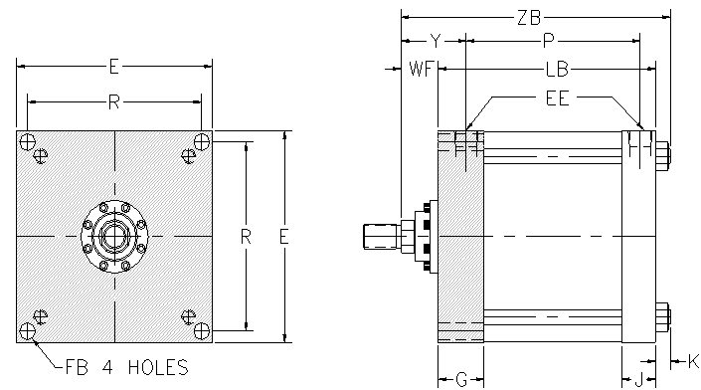 |  |  |  |  |  |  |  |  |  |  |  |  |  |  |  |  |  |  |  |  |  |  |  |  |  |  |  |  |  |  |  |  |  |  |  |  |  |  | Bore | Rod | XC | XD | XG | XH | XJ | XS | XT
 |  |  |  |  |  |  |  |  |  |  |  |  | ME4 |  |  |  |  |  |  |  |  |  |  |  |  |  |  |  |  |  |  |  |  |  |  |  |  |  |  |  |  |  |  |  |  |  |  |  |  |  |  |  | 1.5 | 0.625 | 5.375 | 5.755 | 1.75 | 5.438 | 4.125 | 1.375 | 1.937
 |  |  |  |  |  |  |  |  |  |  |  |  | ME5 | 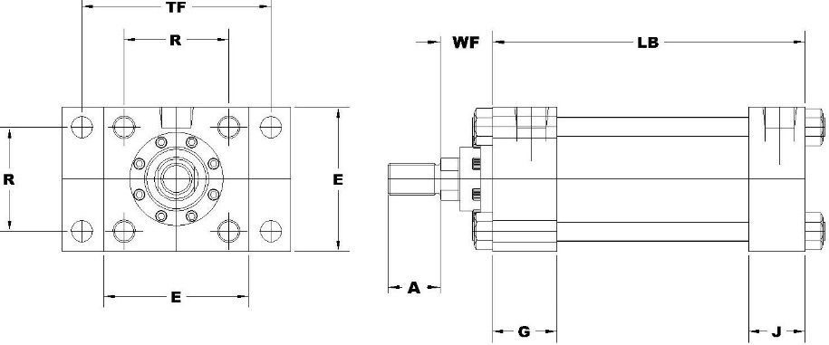 |  |  |  |  |  |  |  |  |  |  |  |  |  |  |  |  |  |  |  |  |  |  |  |  |  |  |  |  |  |  |  |  |  |  |  |  |  |  | 1.5 | 1 | 5.75 | 6.13 | 2.125 | 5.813 | 4.5 | 1.75 | 2.312
 |  |  |  |  |  |  |  |  |  |  |  |  | ME6 | 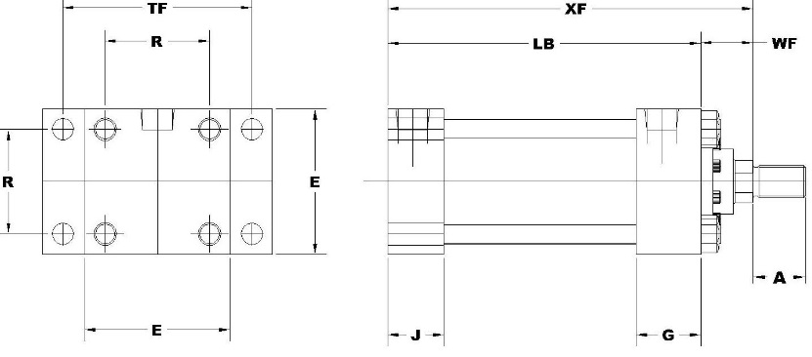 |  |  |  |  |  |  |  |  |  |  |  |  |  |  |  |  |  |  |  |  |  |  |  |  |  |  |  |  |  |  |  |  |  |  |  |  |  |  | 2 | 0.625 | 5.375 | 5.75 | 1.75 | 5.438 | 4.125 | 1.375 | 1.937
 |  |  |  |  |  |  |  |  |  |  |  |  | MF1 | 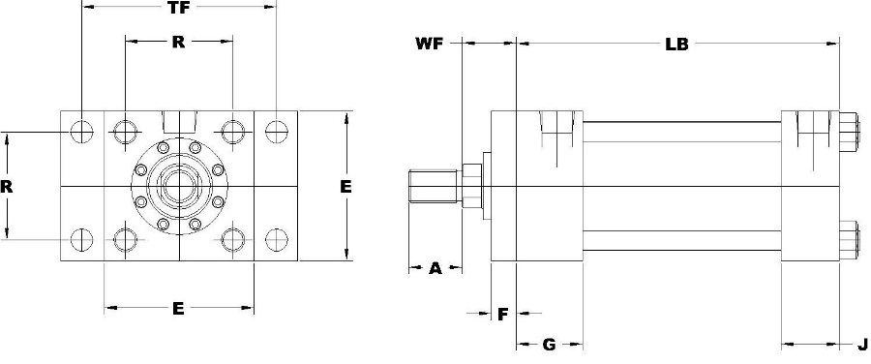 |  |  |  |  |  |  |  |  |  |  |  |  |  |  |  |  |  |  |  |  |  |  |  |  |  |  |  |  |  |  |  |  |  |  |  |  |  |  | 2 | 1 | 5.75 | 6.13 | 2.125 | 5.813 | 4.5 | 1.75 | 2.312
 |  |  |  |  |  |  |  |  |  |  |  |  | MF2 | 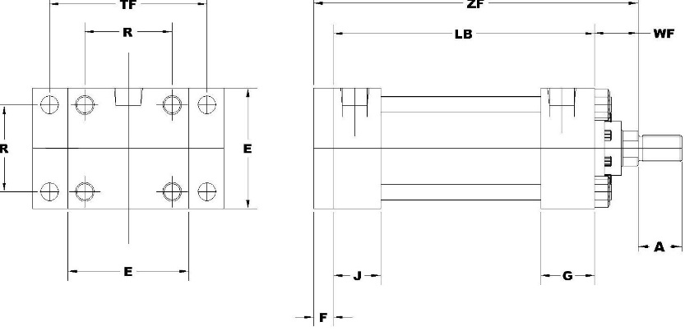 |  |  |  |  |  |  |  |  |  |  |  |  |  |  |  |  |  |  |  |  |  |  |  |  |  |  |  |  |  |  |  |  |  |  |  |  |  |  | 2 | 1.375 | 6 | 6.375 | 2.375 | 5.25 | 4.75 | 2 | 2.562
 |  |  |  |  |  |  |  |  |  |  |  |  | MF5 | 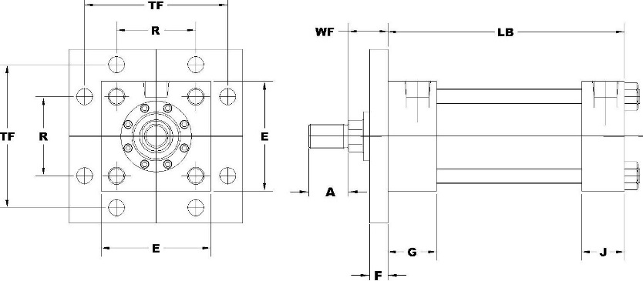 |  |  |  |  |  |  |  |  |  |  |  |  |  |  |  |  |  |  |  |  |  |  |  |  |  |  |  |  |  |  |  |  |  |  |  |  |  |  | 2.5 | 0.625 | 5.5 | 5.88 | 1.75 | 5.563 | 4.25 | 1.375 | 1.937
 |  |  |  |  |  |  |  |  |  |  |  |  | MF6 | 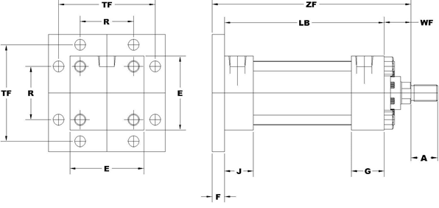 |  |  |  |  |  |  |  |  |  |  |  |  |  |  |  |  |  |  |  |  |  |  |  |  |  |  |  |  |  |  |  |  |  |  |  |  |  |  | 2.5 | 1 | 5.875 | 6.25 | 2.125 | 5.938 | 4.625 | 1.75 | 2.312
 |  |  |  |  |  |  |  |  |  |  |  |  | MP1 | 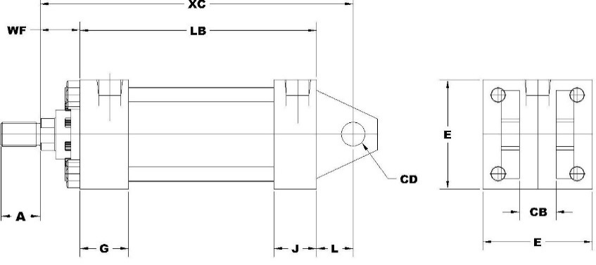 |  |  |  |  |  |  |  |  |  |  |  |  |  |  |  |  |  |  |  |  |  |  |  |  |  |  |  |  |  |  |  |  |  |  |  |  |  |  | 2.5 | 1.375 | 6.125 | 6.5 | 2.375 | 6.188 | 4.875 | 2 | 2.562
 |  |  |  |  |  |  |  |  |  |  |  |  | MP2 | 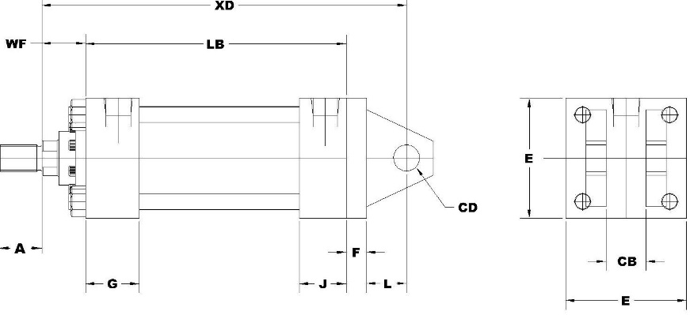 |  |  |  |  |  |  |  |  |  |  |  |  |  |  |  |  |  |  |  |  |  |  |  |  |  |  |  |  |  |  |  |  |  |  |  |  |  |  | 2.5 | 1.75 | 6.375 | 6.75 | 2.625 | 6.438 | 5.125 | 2.25 | 2.813
 |  |  |  |  |  |  |  |  |  |  |  |  | MP3 | 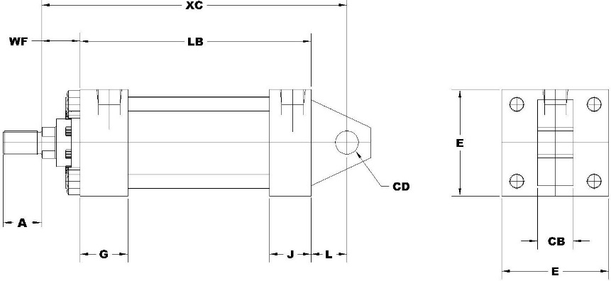 |  |  |  |  |  |  |  |  |  |  |  |  |  |  |  |  |  |  |  |  |  |  |  |  |  |  |  |  |  |  |  |  |  |  |  |  |  |  | 3.25 | 1 | 6.875 | 7.5 | 2.25 | 6.813 | 5 | 1.875 | 2.437
 |  |  |  |  |  |  |  |  |  |  |  |  | MPU3 | 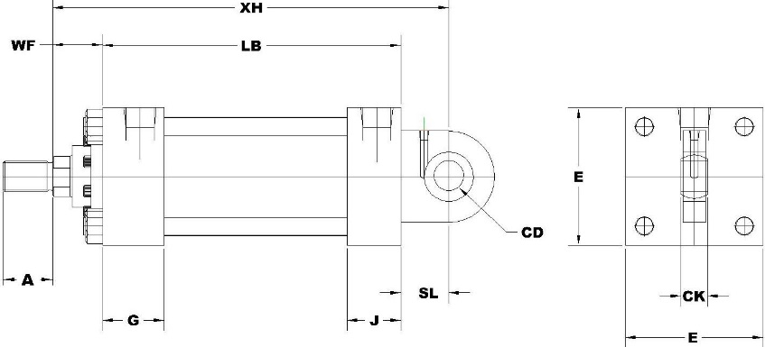 |  |  |  |  |  |  |  |  |  |  |  |  |  |  |  |  |  |  |  |  |  |  |  |  |  |  |  |  |  |  |  |  |  |  |  |  |  |  | 3.25 | 1.375 | 7.125 | 7.75 | 2.5 | 7.063 | 5.25 | 2.125 | 2.688
 |  |  |  |  |  |  |  |  |  |  |  |  | MS1 | 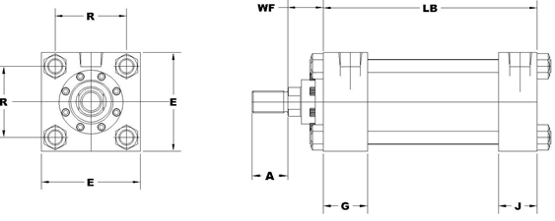 |  |  |  |  |  |  |  |  |  |  |  |  |  |  |  |  |  |  |  |  |  |  |  |  |  |  |  |  |  |  |  |  |  |  |  |  |  |  | 3.25 | 1.75 | 7.375 | 8 | 2.75 | 7.313 | 5.5 | 2.375 | 2.937
 |  |  |  |  |  |  |  |  |  |  |  |  | MS2 | 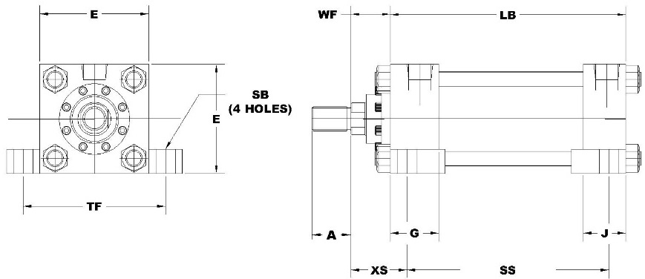 |  |  |  |  |  |  |  |  |  |  |  |  |  |  |  |  |  |  |  |  |  |  |  |  |  |  |  |  |  |  |  |  |  |  |  |  |  |  | 3.25 | 2 | 7.5 | 8.13 | 2.875 | 7.438 | 5.625 | 2.5 | 3.062
 |  |  |  |  |  |  |  |  |  |  |  |  | MS3 | 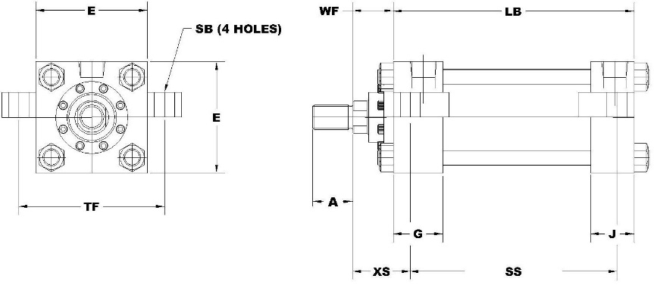 |  |  |  |  |  |  |  |  |  |  |  |  |  |  |  |  |  |  |  |  |  |  |  |  |  |  |  |  |  |  |  |  |  |  |  |  |  |  | 4 | 1 | 6.875 | 7.5 | 2.25 | 6.813 | 5 | 1.875 | 2.437
 |  |  |  |  |  |  |  |  |  |  |  |  | MS4 | 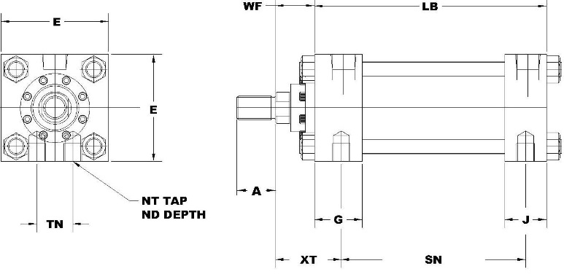 |  |  |  |  |  |  |  |  |  |  |  |  |  |  |  |  |  |  |  |  |  |  |  |  |  |  |  |  |  |  |  |  |  |  |  |  |  |  | 4 | 1.375 | 7.125 | 7.75 | 2.5 | 7.063 | 5.25 | 2.125 | 2.688
 |  |  |  |  |  |  |  |  |  |  |  |  | MS7 | 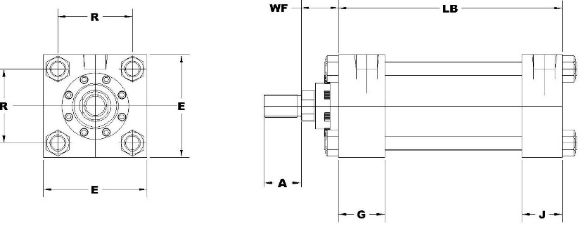 |  |  |  |  |  |  |  |  |  |  |  |  |  |  |  |  |  |  |  |  |  |  |  |  |  |  |  |  |  |  |  |  |  |  |  |  |  |  | 4 | 1.75 | 7.375 | 8 | 2.75 | 7.313 | 5.5 | 2.375 | 2.937
 |  |  |  |  |  |  |  |  |  |  |  |  | MT1 | 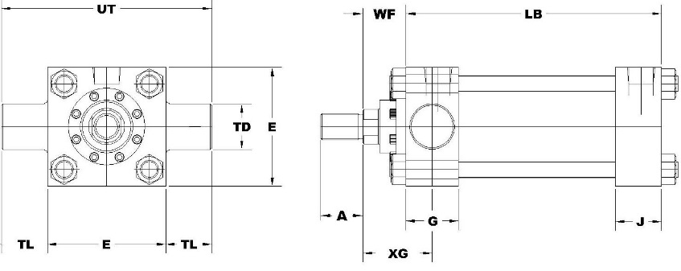 |  |  |  |  |  |  |  |  |  |  |  |  |  |  |  |  |  |  |  |  |  |  |  |  |  |  |  |  |  |  |  |  |  |  |  |  |  |  | 4 | 2 | 7.5 | 8.13 | 2.875 | 7.438 | 5.625 | 2.5 | 3.062
 |  |  |  |  |  |  |  |  |  |  |  |  | MT2 | 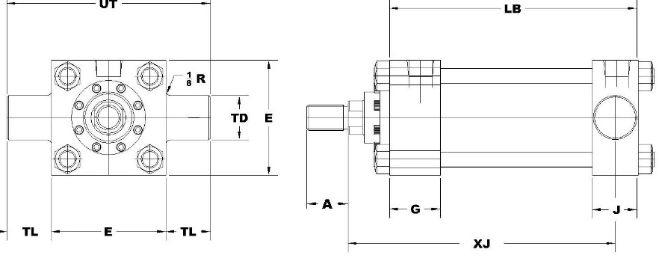 |  |  |  |  |  |  |  |  |  |  |  |  |  |  |  |  |  |  |  |  |  |  |  |  |  |  |  |  |  |  |  |  |  |  |  |  |  |  | 5 | 1 | 7.125 | 7.75 | 2.25 | 7.063 | 5.25 | 2.062 | 2.437
 |  |  |  |  |  |  |  |  |  |  |  |  | MT4 | 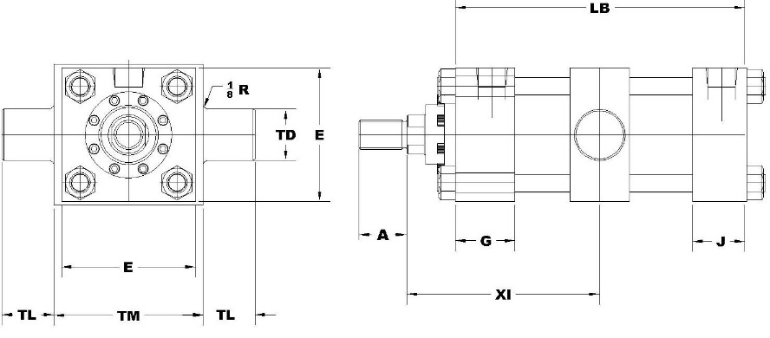 |  |  |  |  |  |  |  |  |  |  |  |  |  |  |  |  |  |  |  |  |  |  |  |  |  |  |  |  |  |  |  |  |  |  |  |  |  |  | 5 | 1.375 | 7.375 | 8 | 2.5 | 7.313 | 5.5 | 2.312 | 2.688
 |  |  |  |  |  |  |  |  |  |  |  |  | MX0 |  |  |  |  |  |  |  |  |  |  |  |  |  |  |  |  |  |  |  |  |  |  |  |  |  |  |  |  |  |  |  |  |  |  |  |  |  |  |  | 5 | 1.75 | 7.625 | 8.25 | 2.75 | 7.563 | 5.75 | 2.562 | 2.937
 |  |  |  |  |  |  |  |  |  |  |  |  | MX1 | 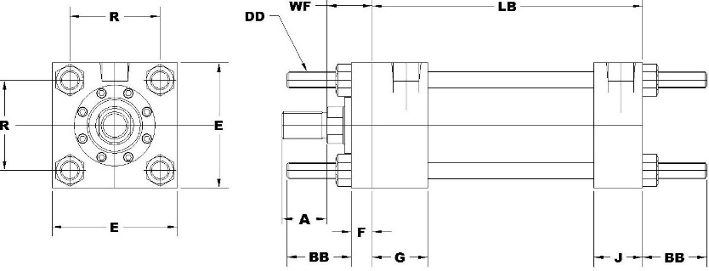 |  |  |  |  |  |  |  |  |  |  |  |  |  |  |  |  |  |  |  |  |  |  |  |  |  |  |  |  |  |  |  |  |  |  |  |  |  |  | 5 | 2 | 7.75 | 8.38 | 2.875 | 7.688 | 5.875 | 2.688 | 3.062
 |  |  |  |  |  |  |  |  |  |  |  |  | MX2 | 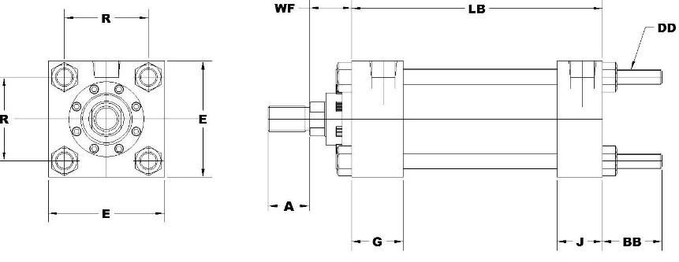 |  |  |  |  |  |  |  |  |  |  |  |  |  |  |  |  |  |  |  |  |  |  |  |  |  |  |  |  |  |  |  |  |  |  |  |  |  |  | 6 | 1.375 | 8.125 | 8.88 | 2.625 | 8.187 | 5.875 | 2.312 | 2.813
 |  |  |  |  |  |  |  |  |  |  |  |  | MX3 | 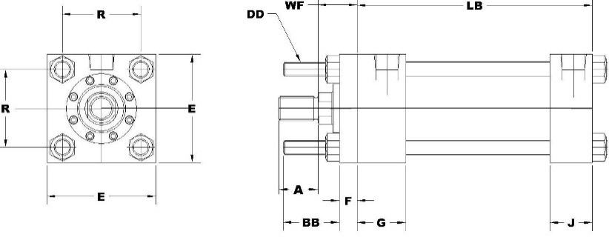 |  |  |  |  |  |  |  |  |  |  |  |  |  |  |  |  |  |  |  |  |  |  |  |  |  |  |  |  |  |  |  |  |  |  |  |  |  |  | 6 | 1.75 | 8.375 | 9.13 | 2.875 | 8.437 | 6.125 | 2.562 | 3.062
 |  |  |  |  |  |  |  |  |  |  |  |  | DRE | 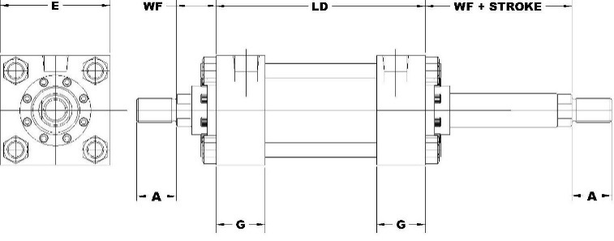 |  |  |  |  |  |  |  |  |  |  |  |  |  |  |  |  |  |  |  |  |  |  |  |  |  |  |  |  |  |  |  |  |  |  |  |  |  |  | 6 | 2 | 8.5 | 9.25 | 3 | 8.562 | 6.25 | 2.688 | 3.188
 |  |  |  |  |  |  |  |  |  |  |  |  |  |  |  |  |  |  |  |  |  |  |  |  |  |  |  |  |  |  |  |  |  |  |  |  |  |  |  |  |  |  |  |  |  |  |  |  |  |  |  |  | 6 | 2.5 | 8.75 | 9.5 | 3.25 | 8.812 | 6.5 | 2.937 | 3.437
 |  |  |  |  |  |  |  |  |  |  |  |  |  |  |  |  |  |  |  |  |  |  |  |  |  |  |  |  |  |  |  |  |  |  |  |  |  |  |  |  |  |  |  |  |  |  |  |  |  |  |  |  | 7 | 1.375 | 8.25 |  | 2.625 |  | 6 | 2.312 | 2.813
 |  |  |  |  |  |  |  |  |  |  |  |  |  |  |  |  |  |  |  |  |  |  |  |  |  |  |  |  |  |  |  |  |  |  |  |  |  |  |  |  |  |  |  |  |  |  |  |  |  |  |  |  | 7 | 1.75 | 8.5 |  | 2.875 |  | 6.25 | 2.562 | 3.062
 |  |  |  |  |  |  |  |  |  |  |  |  |  |  |  |  |  |  |  |  |  |  |  |  |  |  |  |  |  |  |  |  |  |  |  |  |  |  |  |  |  |  |  |  |  |  |  |  |  |  |  |  | 7 | 2 | 8.625 |  | 3 |  | 6.375 | 2.688 | 3.188
 |  |  |  |  |  |  |  |  |  |  |  |  |  |  |  |  |  |  |  |  |  |  |  |  |  |  |  |  |  |  |  |  |  |  |  |  |  |  |  |  |  |  |  |  |  |  |  |  |  |  |  |  | 7 | 2.5 | 8.875 |  | 3.25 |  | 6.625 | 2.937 | 3.437
 |  |  |  |  |  |  |  |  |  |  |  |  |  |  |  |  |  |  |  |  |  |  |  |  |  |  |  |  |  |  |  |  |  |  |  |  |  |  |  |  |  |  |  |  |  |  |  |  |  |  |  |  | 8 | 1.375 | 8.25 |  | 2.625 |  | 6 | 2.312 | 2.813
 |  |  |  |  |  |  |  |  |  |  |  |  |  |  |  |  |  |  |  |  |  |  |  |  |  |  |  |  |  |  |  |  |  |  |  |  |  |  |  |  |  |  |  |  |  |  |  |  |  |  |  |  | 8 | 1.75 | 8.5 |  | 2.875 |  | 6.25 | 2.562 | 3.062
 |  |  |  |  |  |  |  |  |  |  |  |  |  |  |  |  |  |  |  |  |  |  |  |  |  |  |  |  |  |  |  |  |  |  |  |  |  |  |  |  |  |  |  |  |  |  |  |  |  |  |  |  | 8 | 2 | 8.625 |  | 3 |  | 6.375 | 2.688 | 3.188
 |  |  |  |  |  |  |  |  |  |  |  |  |  |  |  |  |  |  |  |  |  |  |  |  |  |  |  |  |  |  |  |  |  |  |  |  |  |  |  |  |  |  |  |  |  |  |  |  |  |  |  |  | 8 | 2.5 | 8.875 |  | 3.25 |  | 6.625 | 2.937 | 3.437
 |  |  |  |  |  |  |  |  |  |  |  |  |  |  |  |  |  |  |  |  |  |  |  |  |  |  |  |  |  |  |  |  |  |  |  |  |  |  |  |  |  |  |  |  |  |  |  |  |  |  |  |  | 10 | 1.75 | 10.375 |  | 3 |  | 7.25
 |  |  |  |  |  |  |  |  |  |  |  |  |  |  |  |  |  |  |  |  |  |  |  |  |  |  |  |  |  |  |  |  |  |  |  |  |  |  |  |  |  |  |  |  |  |  |  |  |  |  |  |  | 10 | 2 | 10.5 |  | 3.125 |  | 7.375
 |  |  |  |  |  |  |  |  |  |  |  |  |  |  |  |  |  |  |  |  |  |  |  |  |  |  |  |  |  |  |  |  |  |  |  |  |  |  |  |  |  |  |  |  |  |  |  |  |  |  |  |  | 10 | 2.5 | 10.75 |  | 3.375 |  | 7.625
 |  |  |  |  |  |  |  |  |  |  |  |  |  |  |  |  |  |  |  |  |  |  |  |  |  |  |  |  |  |  |  |  |  |  |  |  |  |  |  |  |  |  |  |  |  |  |  |  |  |  |  |  | 10 | 3 | 10.75 |  | 3.375 |  | 7.625
 |  |  |  |  |  |  |  |  |  |  |  |  |  |  |  |  |  |  |  |  |  |  |  |  |  |  |  |  |  |  |  |  |  |  |  |  |  |  |  |  |  |  |  |  |  |  |  |  |  |  |  |  | 10 | 3.5 | 10.75 |  | 3.375 |  | 7.63
 |  |  |  |  |  |  |  |  |  |  |  |  |  |  |  |  |  |  |  |  |  |  |  |  |  |  |  |  |  |  |  |  |  |  |  |  |  |  |  |  |  |  |  |  |  |  |  |  |  |  |  |  | 12 | 2 | 11.125 |  | 3.125 |  | 7.875
 |  |  |  |  |  |  |  |  |  |  |  |  |  |  |  |  |  |  |  |  |  |  |  |  |  |  |  |  |  |  |  |  |  |  |  |  |  |  |  |  |  |  |  |  |  |  |  |  |  |  |  |  | 12 | 2.5 | 11.375 |  | 3.375 |  | 8.125
 |  |  |  |  |  |  |  |  |  |  |  |  |  |  |  |  |  |  |  |  |  |  |  |  |  |  |  |  |  |  |  |  |  |  |  |  |  |  |  |  |  |  |  |  |  |  |  |  |  |  |  |  | 12 | 3 | 11.375 |  | 3.375 |  | 8.125
 |  |  |  |  |  |  |  |  |  |  |  |  |  |  |  |  |  |  |  |  |  |  |  |  |  |  |  |  |  |  |  |  |  |  |  |  |  |  |  |  |  |  |  |  |  |  |  |  |  |  |  |  | 12 | 3.5 | 11.375 |  | 3.375 |  | 8.125
 |  |  |  |  |  |  |  |  |  |  |  |  |  |  |  |  |  |  |  |  |  |  |  |  |  |  |  |  |  |  |  |  |  |  |  |  |  |  |  |  |  |  |  |  |  |  |  |  |  |  |  |  | 12 | 4 | 11.375 |  | 3.375 |  | 8.13
 |  |  |  |  |  |  |  |  |  |  |  |  |  |  |  |  |  |  |  |  |  |  |  |  |  |  |  |  |  |  |  |  |  |  |  |  |  |  |  |  |  |  |  |  |  |  |  |  |  |  |  |  | 14 | 2.5 | 12.875 |  | 3.625 |  | 9.25
 |  |  |  |  |  |  |  |  |  |  |  |  |  |  |  |  |  |  |  |  |  |  |  |  |  |  |  |  |  |  |  |  |  |  |  |  |  |  |  |  |  |  |  |  |  |  |  |  |  |  |  |  | 14 | 3 | 12.875 |  | 3.625 |  | 9.25
 |  |  |  |  |  |  |  |  |  |  |  |  |  |  |  |  |  |  |  |  |  |  |  |  |  |  |  |  |  |  |  |  |  |  |  |  |  |  |  |  |  |  |  |  |  |  |  |  |  |  |  |  | 14 | 3.5 | 12.875 |  | 3.625 |  | 9.25
 |  |  |  |  |  |  |  |  |  |  |  |  |  |  |  |  |  |  |  |  |  |  |  |  |  |  |  |  |  |  |  |  |  |  |  |  |  |  |  |  |  |  |  |  |  |  |  |  |  |  |  |  | 14 | 4 | 12.875 |  | 3.625 |  | 9.25

Customer
ADD CONTACT
K C I Inc - Kansas City | - | Kansas City,MO | - | - | -
Company | Address | City, State, Zip | Phone | Fax | Comment
...
Contacts | Edit | Add | Search
Refresh

